BELTS&WALLETS&BAG
Category | Picture | SKU | QTY | WHL €
MAN BELTS |  | CM32NS103C08HFULT50 | 5 | 153 €
MAN BELTS |  | CM32NS103C08OVVDN01 | 4 | 153 €
MAN BELTS |  | CM35NC003B91HGSIU48 | 10 | 120 €
MAN BELTS | 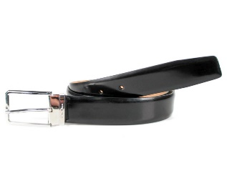 | CM35NS003B90EVVDN01 | 9 | 180 €
MAN WALLETS |  | UFPPA2128FO-XNACN01 | 35 | 147 €
MAN CREDIT CARDS HOLDER |  | UFPPA2129FO-XNACN01 | 36 | 80 €
MAN HANDBAG |  | UFPPA2130FO-HNACN01 | 36 | 133 €
MAN KEYRING |  | UFPPA2132FO-HNDEN01 | 11 | 53 €
MAN COMPUTER CASE | 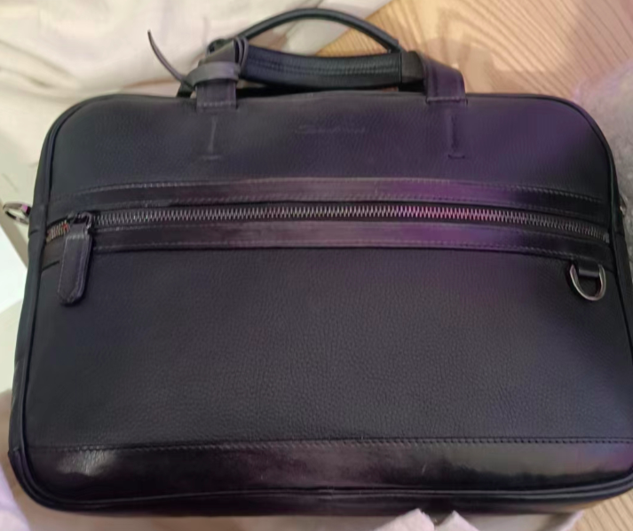 | UIBBA1939BS-G2MSN01 | 5 | 467 €
MAN WEEKEND BAG | 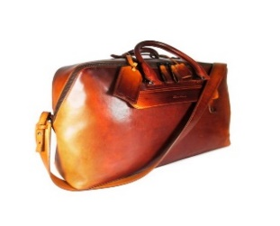 | UIBBA1944LI-GGTSC31 | 5 | 940 €
MAN BACKPACK | 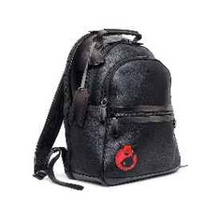 | UIBBA2131BS-G2MSN01 | 9 | 673 €
TOTAL |  |  | 165

MEN
Category | Picture | SKU | QTY | WHL €
MAN SNEAKERS |  | MBCD21430BARCCURU55 | 50 | 207 €
MAN LOAFERS |  | MBCD21439BARCMMDN01 | 18 | 207 €
MAN SNEAKERS（纯白款） |  | MBCN21535BARCMIAI48 | 36 | 207 €
MAN SNEAKERS |  | MBCN21599BARCMIAI48 | 29 | 287 €
MAN SNEAKERS | 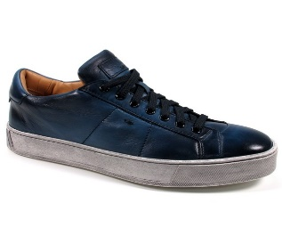 | MBGL20850SPOMGOOU55 | 30 | 227 €
MAN SNEAKERS | 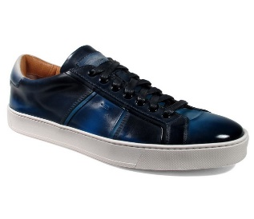 | MBGL21318PNNMNHCU40 | 15 | 320 €
MAN LOAFERS | 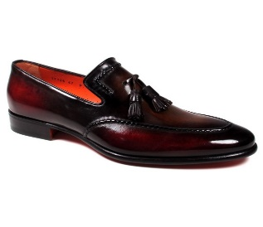 | MCBN17126BA1XNGCT30 | 11 | 433 €
MAN LOAFERS |  | MCBN17508BB3XFULU56 | 11 | 493 €
MAN BOUBLE BOUCKLE |  | MCCR11652MC1HVVDN01 | 20 | 447 €
MAN BOUBLE BOUCKLE |  | MCCR11652MC1HVVDU46 | 18 | 447 €
MAN LACE UPS |  | MCCR12474JC6IOBRN01 | 13 | 300 €
MAN LOAFERS |  | MCNC16848SA3EMPHR52 | 26 | 393 €
MAN LOAFERS | 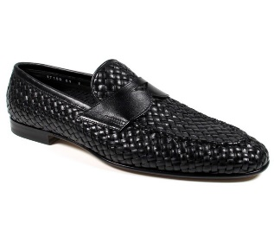 | MCNC17150LA3SGTHN01 | 28 | 393 €
MAN LOAFERS | 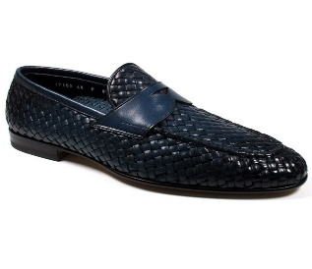 | MCNC17150LA3SGTHU48 | 10 | 433 €
MAN LOAFERS |  | MCNC17511LA3SGTHT60 | 33 | 300 €
MAN LOAFERS |  | MCNC17564SA3EGTHC35 | 17 | 493 €
MAN LOAFERS |  | MCNC17585LB4EMDFC45 | 9 | 460 €
MAN LOAFERS | 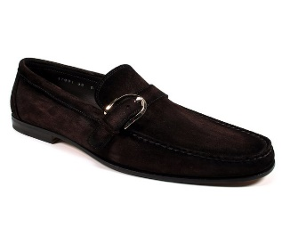 | MCPT17091LA5SRVLG35 | 29 | 287 €
MAN LACE UPS |  | MGMB17484NEAEPWEN01 | 17 | 280 €
MAN ANKLE BOOTS | 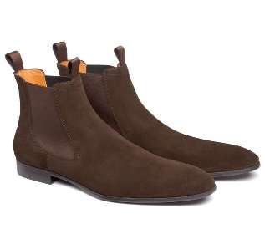 | MGSI13414SMOISYWT50 | 42 | 267 €
MAN ANKLE BOOTS | 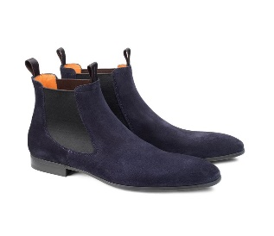 | MGSI13414SMOISYWU60 | 28 | 267 €
MAN ANKLE BOOTS | 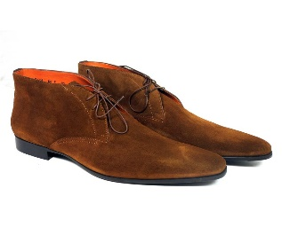 | MGWL07416SMOISYWC60 | 24 | 247 €
TOTAL |  |  | 514

WOMEN
Category | Picture | SKU | QTY | WHL€
WOMAN FLAT SHOES | 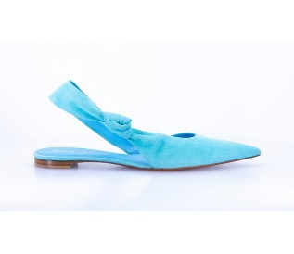 | WABM59407HA1TMGDZ60 | 24 | 247 €
WOMAN FLAT SHOES |  | WABM59407HA1TPLPO35 | 19 | 253 €
WOMAN FLAT SHOES |  | WABM59441HA1TRMDN01 | 13 | 433 €
WOMAN FLAT SHOES | 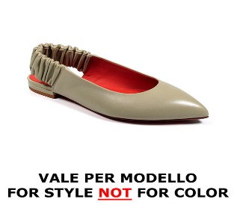 | WAWN58486HA2CMGDR43 | 15 | 267 €
WOMAN SNEAKERS |  | WBCD60802BARCDBBE62 | 24 | 267 €
WOMAN SNEAKERS |  | WBCD60829BARRESSN01 | 48 | 247 €
WOMAN SNEAKERS |  | WBCD60837BARCSMYI75 | 24 | 233 €
WOMAN SNEAKERS |  | WBCD60838BARGWHYI60 | 35 | 267 €
WOMAN SNEAKERS |  | WBCD60845BARCOESI51 | 18 | 247 €
WOMAN SNEAKERS | 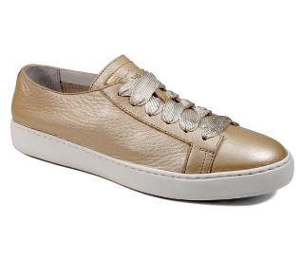 | WBCE53853BARCFASO48 | 17 | 207 €
WOMAN SNEAKERS | 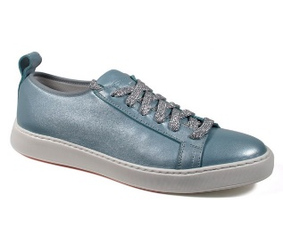 | WBCE60650BARGRSGZ21 | 16 | 267 €
WOMAN SNEAKERS | 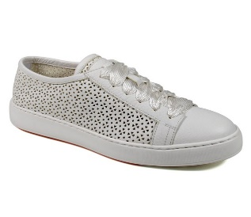 | WBCE60664BARCLYLI50 | 17 | 233 €
WOMAN SNEAKERS |  | WBCE60871BARCMYLI50 | 30 | 207 €
WOMAN SNEAKERS |  | WBCE60871BARCMYLN01 | 31 | 207 €
WOMAN SNEAKERS |  | WBCE60903BARCMYLI50 | 29 | 287 €
WOMAN SNEAKERS |  | WBCE60903BARCMYLN01 | 30 | 287 €
WOMAN SNEAKERS |  | WBIO60850BGTXHSLG41 | 6 | 460 €
WOMAN DECOLLETE' |  | WDFC59293HA2TSZAE32 | 39 | 287 €
WOMAN DECOLLETE' |  | WDFC59293HA2TSZAN01 | 40 | 287 €
WOMAN SANDALS |  | WHIQ59430HA2TPLPO35 | 20 | 287 €
WOMAN SANDALS | 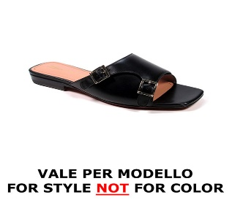 | WHYF58912HA1NMGDA70 | 9 | 267 €
WOMAN SANDALS | 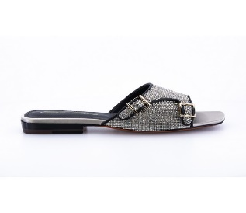 | WHYF59442HA1TRMDG30 | 12 | 347 €
WOMAN SANDALS |  | WHYT59288HA1TPPTP60 | 30 | 233 €
WOMAN SANDALS |  | WHYT59288HI1TPPTN01 | 35 | 233 €
WOMAN ANKLE BOOTS | 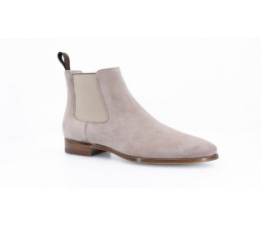 | WTSE59360BA1TLCPE41 | 15 | 347 €
WOMAN LACE UPS | 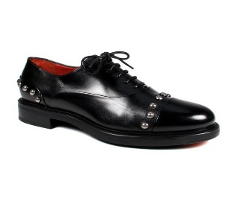 | WUEK58189SMCCILKN01 | 13 | 287 €
WOMAN LOAFERS | 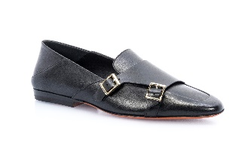 | WUJL59193HA1TLGAN01 | 25 | 287 €
WOMAN LOAFERS |  | WUJL59321HA1TPLPD52 | 17 | 287 €
WOMAN LOAFERS |  | WUQC59462BA1NBCKN01 | 25 | 320 €
WOMAN LOAFERS | 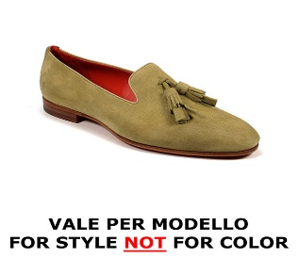 | WUSM58554BI3CMGDE40 | 18 | 260 €
WOMAN LOAFERS |  | WUSM58554BI3CMGDV46 | 16 | 280 €
TOTAL |  |  | 710

